Instructions
Watch this Video for a walk through

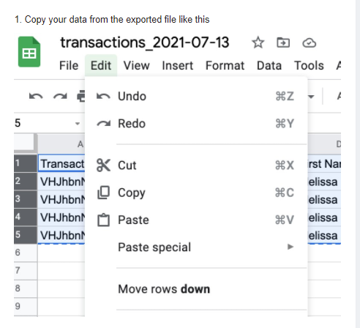
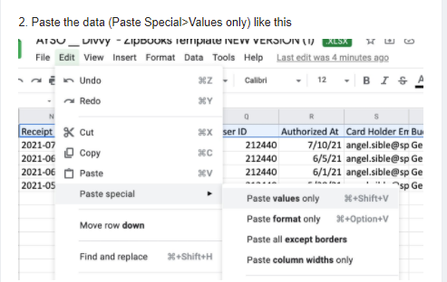
Set filters in Divvy based on the data you are bringing into ZipBooks
Ensure all the transactions are Complete
Download the CSV
Copy and Paste all data into the Paste Divvy Data tab of this sheet
Highlight the formatted data (Formulas go down to line 500)
Download the ZipBooks Formatted Data tab as a CSV
File -> Download -> comma-seperated values
Import the CSV to ZipBooks Transactions Page
NOTE: if you get an error, use Google Sheets instead of Excel
Go back to Divvy and Lock all transactions that you imported

